Sheet1
 | EU share
Product | 2019 | 2020 | 2021 | 2022 | 2023 | 2024 | 2025
Static converters | 26.39643 | 26.86949 | 28.00937 | 29.78498 | 35.59157 | 36.27612 | 34.29296
Parts for metal machine-tools | 26.78692 | 25.45505 | 22.42486 | 24.43047 | 30.84745 | 32.4156 | 31.63892
Ball bearings | 53.51885 | 60.66416 | 65.09253 | 54.08952 | 52.56131 | 41.51495 | 38.07597
Signal generators / oscilloscopes | 31.71228 | 29.76191 | 22.71883 | 27.59471 | 33.87761 | 31.66146 | 35.0999
Roller bearings | 57.87561 | 61.938 | 60.39679 | 57.69257 | 59.98718 | 54.17333 | 50.13142
Wood milling machines | 52.85422 | 30.66494 | 45.45898 | 44.04108 | 49.20087 | 51.87341 | 72.34644

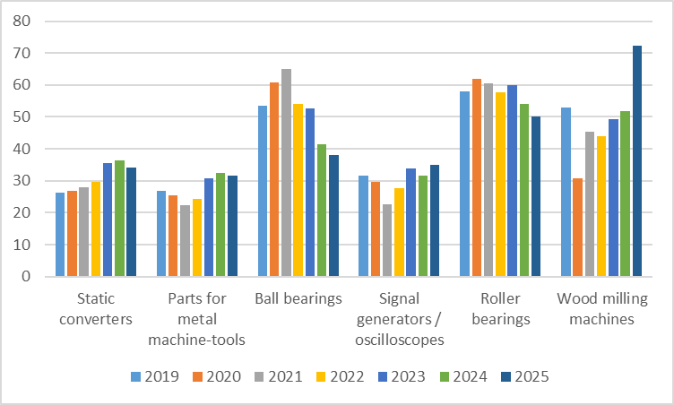

Title: EU share of Chinese import for selected goods
Source: GACC
Scale: Percentage
Note: data for 2025 is until June 2025

